Delegation Board - make a copy
(c) Management 3.0 BV 2020

 |  | 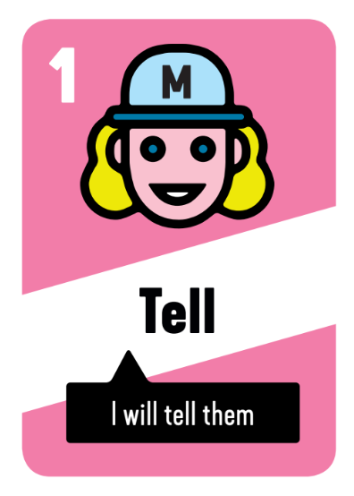 | 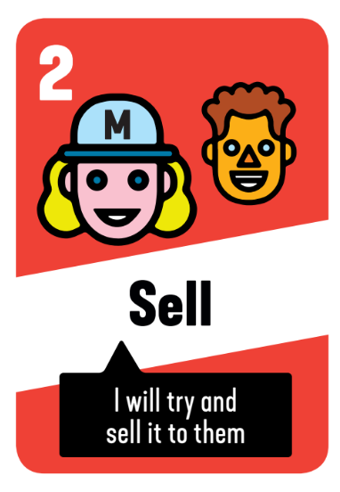 | 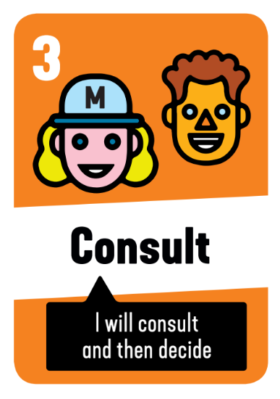 | 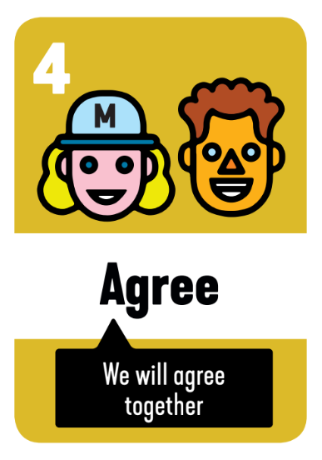 | 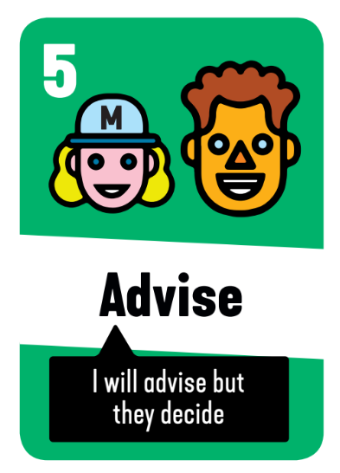 | 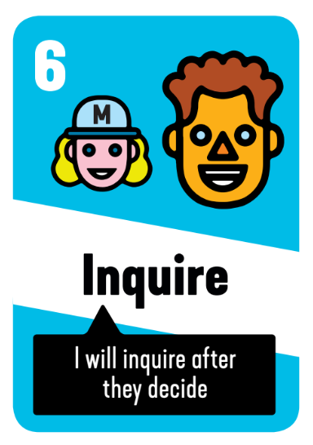 | 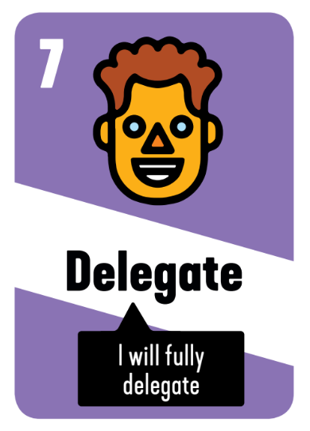
 | Key Decision Area 1 | ✔️
 | Key Decision Area 2 | ✔️
 | Key Decision Area 3 | ✔️
 | Key Decision Area 4 | ✔️
 | Key Decision Area 5 | ✔️
 | Key Decision Area 6 | ✔️
 | Key Decision Area 7 | ✔️

