Make a copy of this sheet for e


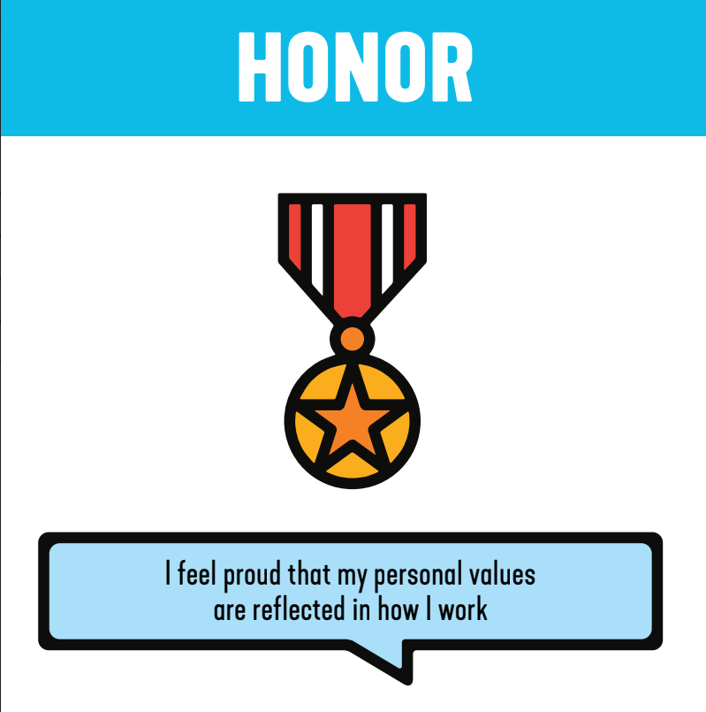
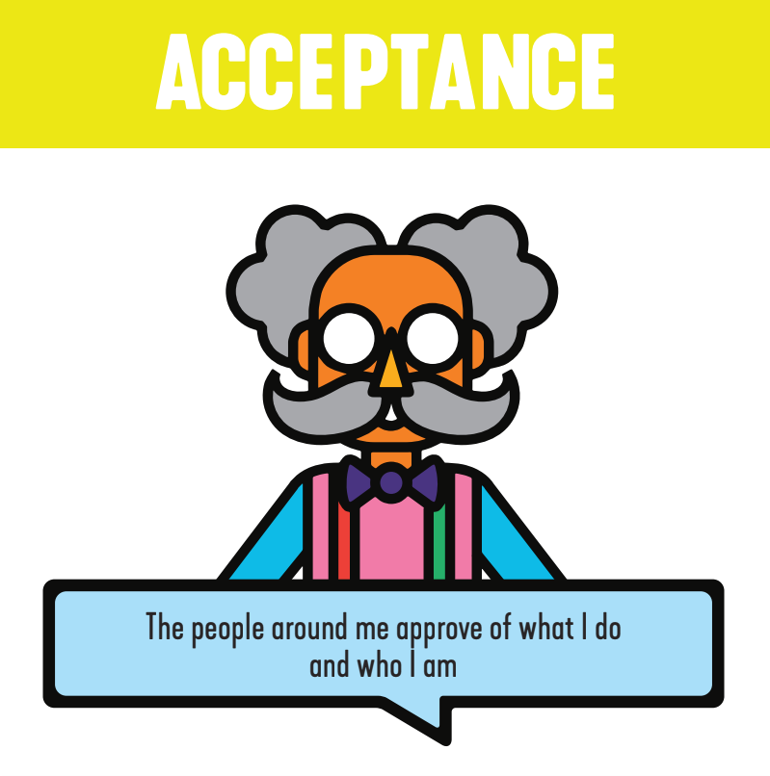
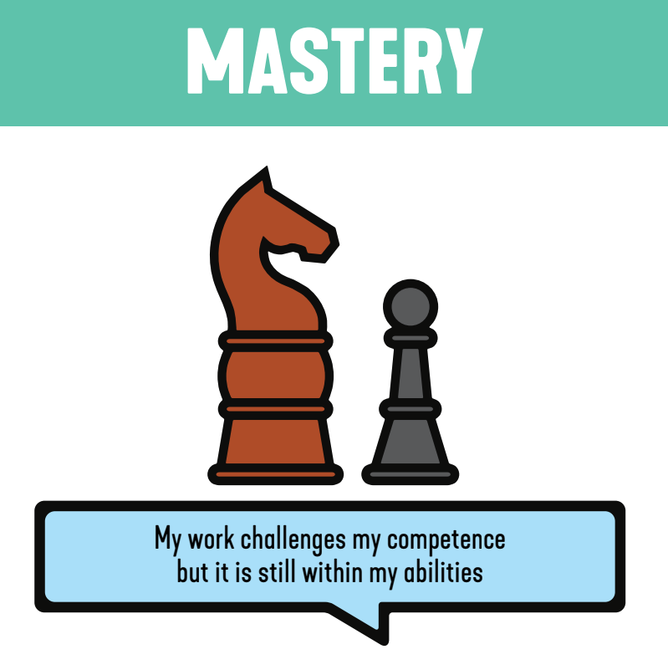
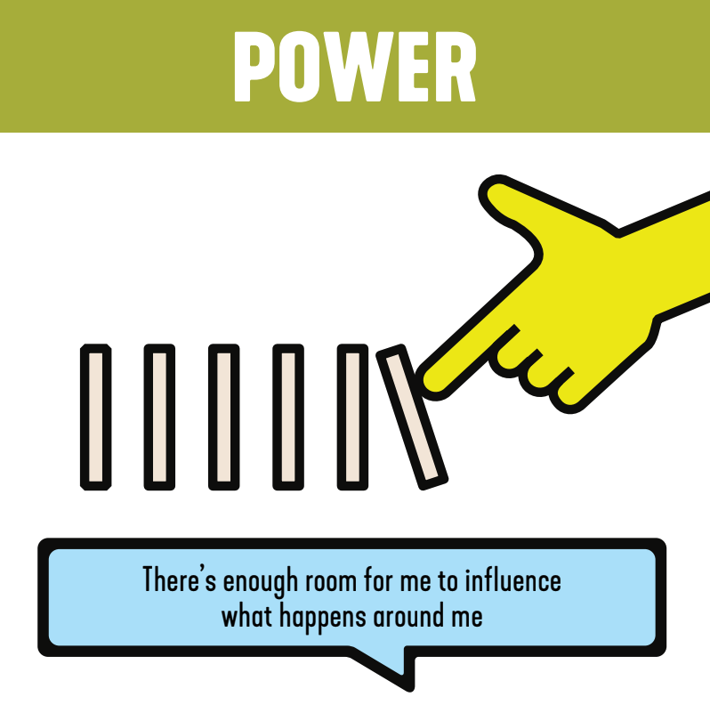
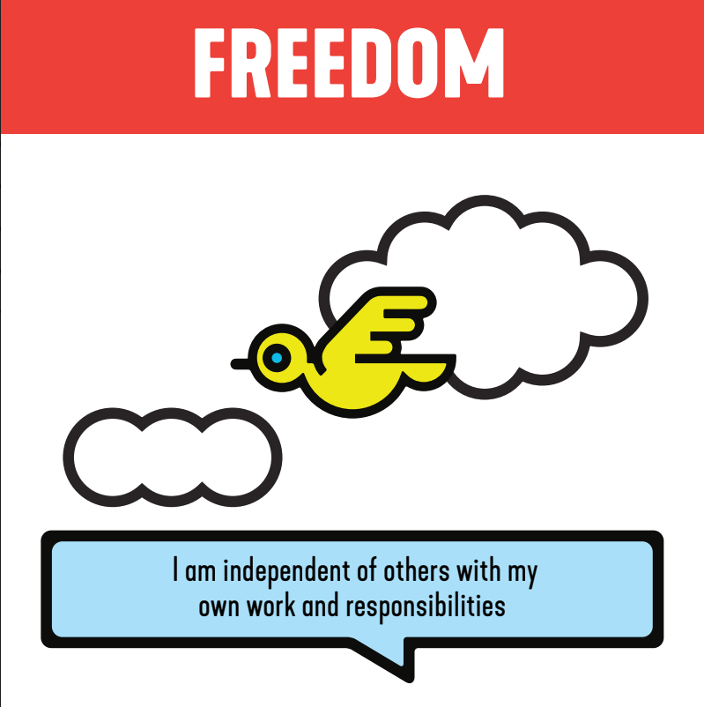
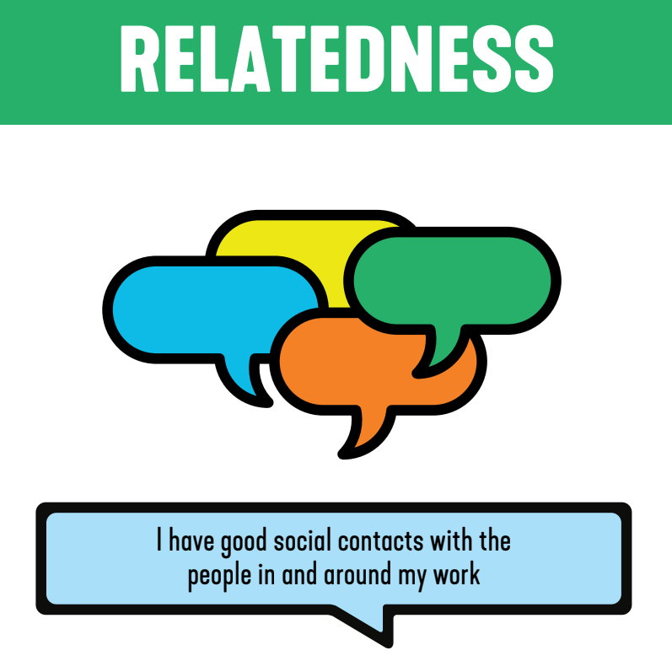
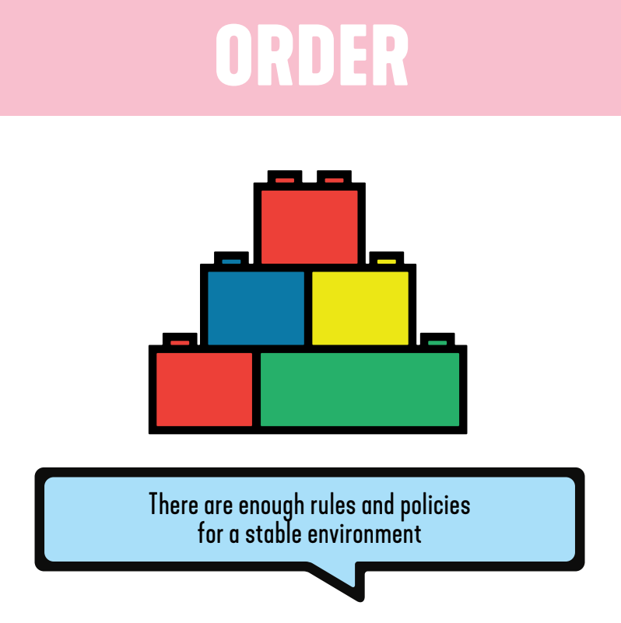
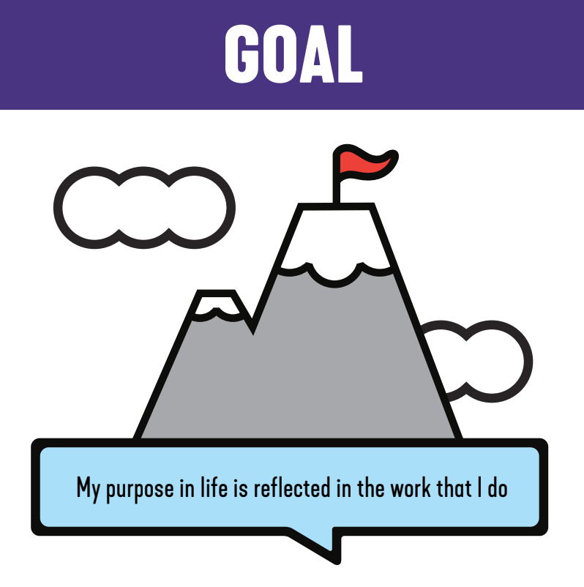
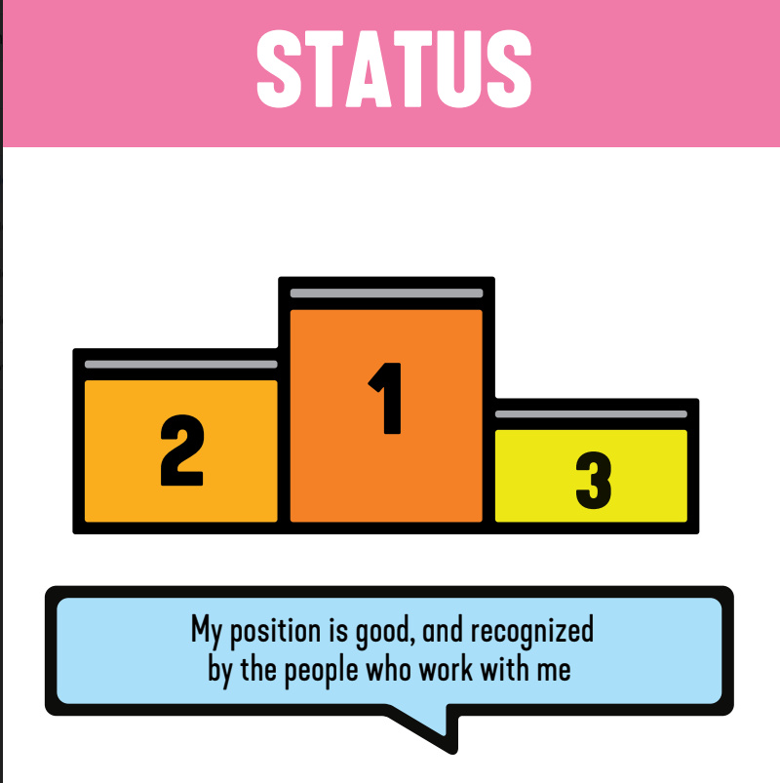
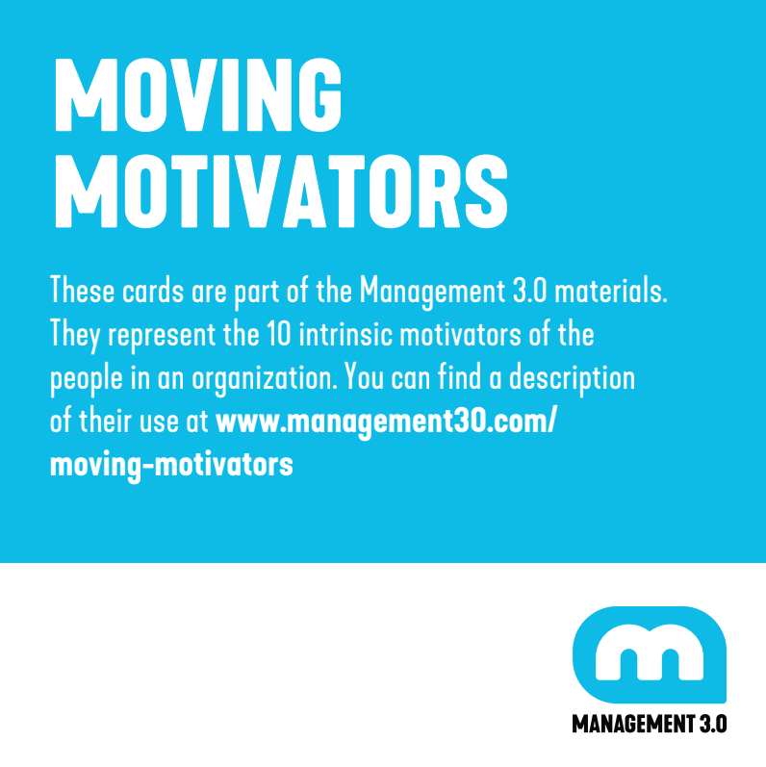

 | Order the cards from left to right. Left the most important motivators for you, right the least most important motivators for you. Second step: Think about a change in your (professional) environment, move cards up or down. If the change increased Freedom, move the card Freedom up. If Status became less, move the card down.

IMPORTANT FOR YOU |  | LESS IMPORTANT FOR YOU

Curiosity | I have plenty of things to investigate and to think about.
Honor | I feel proud my personal values are reflected in how I work.
Acceptance | The people around me approve of what I do and who I am.
Mastery | My work challenges my competence but it still within my abilities.
Power | There's enough room for me to influence what happens around me.
Freedom | I am independent of others with my own work and responsibilities.
Relatedness | I have good social contacts with the people in and around my work.
Order | There are enough rules and policies for a stable environment.
Goal | My purpose in life is reflected in the work that I do.
Status | My position is good and recognized by the people who work with me.
 |  |  | (c) Management 3.0 BV 2020

